Index
Investigation File | Table of Contents
 | 25-Worksheets

Area | Worksheet | Description
Investigation Information | Index | This worksheet, which contains a table of contents for this file.
 | Versions | Record for each meeting and conversation as the file progressed.
 | Contacts | Names and contact info for those involved in the analysis.
 | CM Steps | Cause Mapping method, steps and tools.
 | Cover | Cover page for a final report or preliminary updates.
 | Description | Text for a summary and detailed description of the incident.
Cause Mapping® Steps | 1. Problem | Capture specifics about the issue along with the consequences.
 | 2. Cause Map | Start with a single-path cause-and-effect diagram, expand as needed.
 | 3. Solutions | Action items showing corresponding cause, owner and due date.
Additional Information Tools | Matrix | Evaluation of possible solutions for implementation.
 | Timeline | Sequence of events with date, time, description.
 | Photos | Photographs and pictures.
 | Diagram | Diagrams and drawings.
 | Task | Steps of a related work process written as a process map or flowchart.
 | Info To Get | Information that needs to be collected during the investigation.
 | Notes | Notes, emails, documents.
 | Resources | Online resources related to this incident: web pages, video links.
 | END | Previous versions and extras are located past this worksheet.
Extras | Spare Parts | Commonly used objects for building a complete Cause Map diagram.
 | Extra CM | A copy of the Cause Map tab as backup.
 | Sols | Expanded Solutions table with all columns unhidden.
 | Blank | Extra worksheet.
 | Examples | Example Cause Map diagrams for the relationship A contacted B.
 | Training | Training videos for the Cause Mapping Method and Excel Tips.
 | Excel Tips | Tip sheet for copying, making connectors and using the select objects cursor.

Need Help?
 |  | Version: 2022 v21 MG
 |  | Copyright 2022 ThinkReliability, Novem, Inc.
 | info@thinkreliability.com | www.thinkreliability.com
 | 281-412-7766 phone
 | 281-412-7761 fax

CM-Steps
1.
Problem
Problem Outline
Additional Tools - Use as needed to capture specific information during the investigation.

Timeline
Photos
Diagram
Work Process
Capture specifics about the issue and the consequences.
The sequence of events.
Any photos or images.
Any drawings or sketches.
The work process(es) relevant to the incident.

Add Enough Detail to Reduce Risk Sufficiently
Info to Get
Information and evidence.
2.
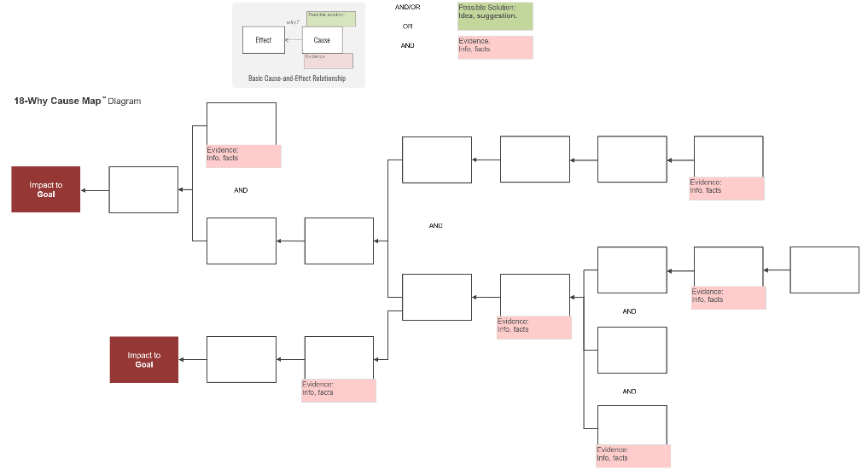
Detailed
Analysis

Notes
Additional notes.

Start a 5-Why Cause Map™ Diagram
Write down one of the goals that was impacted. Start a 5-Why Cause Map diagram and expand as necessary.

Basic
Resources

Related links and documents.

Solutions
3.

Specific
Action Plan
Evaluate
Solution Options
Select
Best Solutions
Each action item is essentially a project.
Follow up should evaluate its effectiveness.
Solutions may be a change in work process.

Propose
Possible Solutions
Consider the effort IN to the solution versus the result OUT.
Impact and risk to each goal should be reduced to an acceptable level.

Capture ideas in a solution box above the cause it controls.

Need Help 281-412-7766, info@thinkreliability.com
Copyright 2022 ThinkReliability, Novem, Inc.

Cover
Replace this box with your company logo.
Title

 |  | Location of Incident | 0
 |  | Date of Incident
 |  | Date of Final Report

 |  | Preliminary update as of
 |  | Version | 1

 | INVESTIGATION FILE |  |  | Page
 |  | Incident Description |  | 2
 |  | Problem Definition |  | 3
 |  | Timeline (Sequence of Events) |  | 4
 |  | Photos |  | 5
 |  | Diagram |  | 6
 |  | Cause-and-Effect Analysis (5-, 10-, 25-Why) |  | 7
 |  | Solutions |  | 10
 |  | Resources |  | 11
 |  | Contacts

Description
Summary of Incident
1-2 sentences.

Incident Description

For a more detailed sequence of events, see Timeline.

At this time, on this date.

Cause Map
Title

Analysis
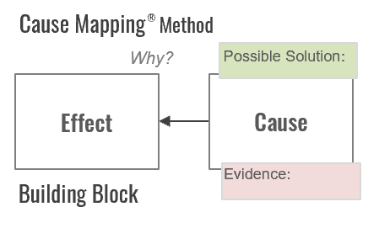
AND
Possible Solution:
Idea, suggestion.
Area Label
?
OR
Evidence:
Info, Facts
AND/OR

Cause Map™ Diagram

Why?
Why?
Why?
Why?
Why?

Impact to
GOAL

Matrix
Solutions Matrix

Evaluate the Different Possible Solutions
 |  | High
Use either solution boxes, letters or numbers to place the possible solutions relative to one another.

Possible Solution:
Idea, suggestion.
 |  |  | Great Idea |  | Long Term Solution
 |  |  | Works Well |  | Permanent Solution
 |  |  | Low Hanging Fruit |  | Design Change
 |  |  | No Brainer |  | Capital Project
 |  |  | Slam Dunk

A
B
C
D

E
F
G
H
 | Estimated
 | BENEFIT
 | Expected Result Out

1
2
3
4
5
6
7
8
 |  |  | Works OK for Now |  | Not Good
 |  |  | Short Term |  | Too Expensive
 |  |  | Quick Fix |  | Not Enough Benefit
 |  |  | Work Around |  | Diminishing Return
 |  |  | Get By

 |  | Low |  |  |  | High

 |  |  |  | Estimated COST
 |  |  |  | Expected Effort In
- Scope-Function-Quality
- Time-Schedule
- Cost-Budget
- Resources

Photos
Black text, white glow
Photos

White text, black glow

Description

Description

Task
Work Process
Steps of the Task

A
Decision
YES
Top left

Task
Top centered

Middle centered
NO

Process Map

Step 1
Step 2
Step 3
Step 4
Step 5
Step 6

Notes
Notes

Text

Spare Parts
Text 14
Text 12
Text 10
Black text, white glow
Negative Impact to
Safety
Spare Parts
(use as needed)
White text, black glow
Figure 14
Figure 12
Figure 10
Cause Map™ Diagram
Description

Negative Impact to
Environmental
Description
5-Why Cause Map™ Diagram
QUESTION
ANSWER
Area Label
Why ?
Because...
Negative Impact to
Compliance
Effect
Cause

Negative Impact to
Goal

Negative Impact to
Customer
A
B
C
After
Before

Near-Miss,
Potential Impact to
Safety
1
2
3
Potential for cause
Negative Impact to
Production, Schedule
Possible Solution:
Idea, suggestion.
AND

OR
Evidence:
Info, Facts
Positive Impact to
Safety
Negative Impact to
Property
AND/OR

Info to Get:

Negative Impact to
Labor, Time
?
?

File Name
File Name Convention:
CM - Client - Description - MMDDYY ID - v1JH
Cause Map - Client - Incident Name - MMDDYY - v1JH

Extra CM
Title

Analysis
AND
Possible Solution:
Idea, suggestion.
Area Label
?
OR
Evidence:
Info, Facts
AND/OR

Cause Map™ Diagram

Why?
Why?
Why?
Why?
Why?

Impact to
GOAL

Examples
Examples
CONTACT
Contact
Contact

Cause-and-Effect Fundamental Relationship
Incidents of this type occur when two things come in contact resulting in a negative outcome.
Applies to:
"Line of Fire" Incidents
Hand Injuries
Eye Injuries
Chemical Exposure
Contamination
Electric Shock
Vehicle Accidents
A
location, position,
time
A
location, position,
time
Why?
Why?
Why?
Why?
Why?
Why?
Because...
A
contacted
B
B was in the path
A
contacted
B
Impact to
Safety
Consequences, outcome
A
contacted
B

AND
AND

EFFECT
CAUSE
B
location, position, time
B
location, position, time
After
Before
Why?

5-Why Cause Map™ Diagram
6-Why Cause Map™ Diagram
10-Why Cause Map™ Diagram

Contact
Normal valve operation

Valve rotated, actuated
Contact
AND
Driver looked away from route
Contact
Valve energized, not isolated
Energy isolation not part of job plan

Dust particles location, area
Dust collection not working optimally
Forklift at location,
off route
Serious hand injury
Valve pinched, cut fingers
AND
AND

Transporting product
Person inhaled dust particles
AND
Damage to pickup
Forklift hit pickup
Technician was checking for debris
Work in area
?
AND

Unprotected person in area
Fingers
on edge of valve housing
Pickup parked on pad
AND
AND
Valve was silent, no noise

No PPE
Tech was unaware valve was operational

AND

No confirmation, check if valve in service

Training
Training Videos

Top 3 Excel Tips
5-Why How To Video

https://www.youtube.com/watch?v=GJHm9CMYOq0 | How to Conduct a 5-Why - Titanic Example - YouTube
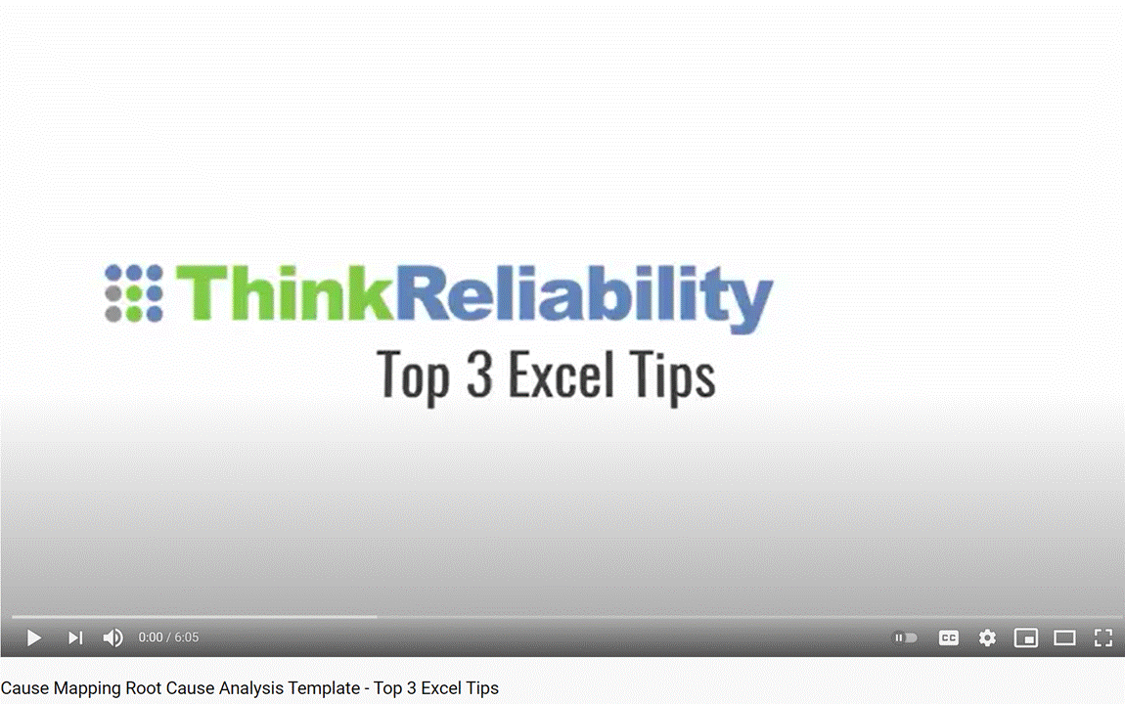
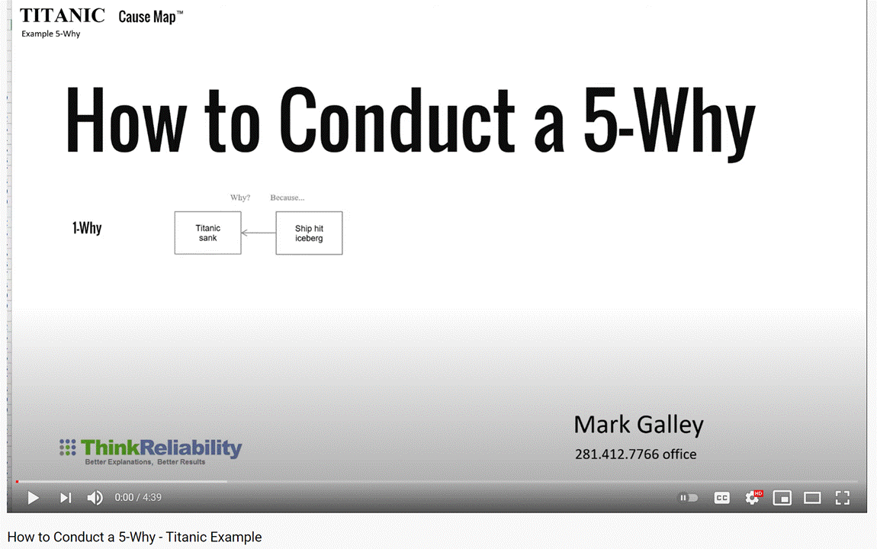

Attend a FREE, 45-minute webinar
(click to save your seat for an upcoming webinar)

Attend a two-hour online short course
(click to see the list of upcoming topics)

Attend a Cause Mapping® Workshop
(click to see upcoming workshops)

Excel Tips
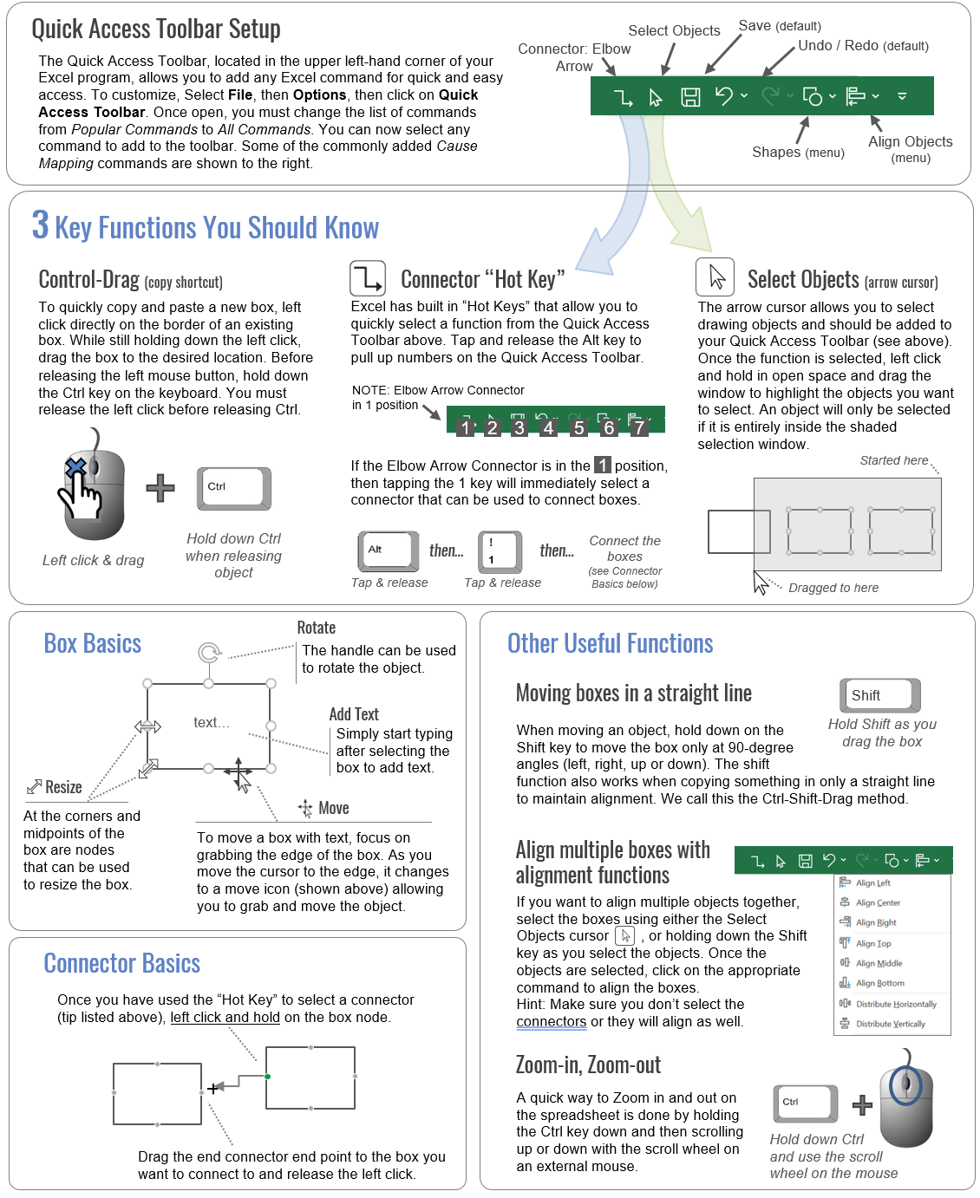
Tips for Using the Cause Mapping® Template
in Microsoft Excel®

